Sheet1
Date | Sales
2014-01-30 | 1902 | 1918
2014-02-27 | 1107
2014-03-04 | 1918
2014-04-02 | 1149 | 1966
2014-04-21 | 1966
2014-06-06 | 1016
2014-06-27 | 1190 | 1742
2014-07-11 | 1742
2014-08-27 | 1595
2014-11-02 | 1715 | 1715
2014-11-16 | 1161
2014-12-11 | 1441
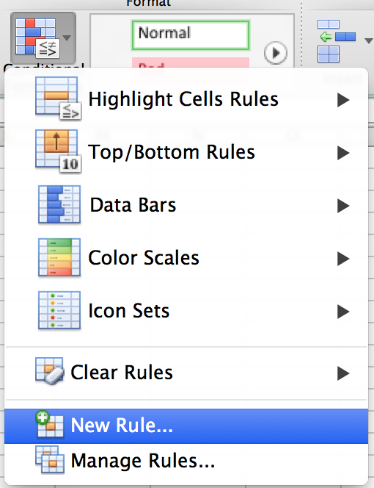
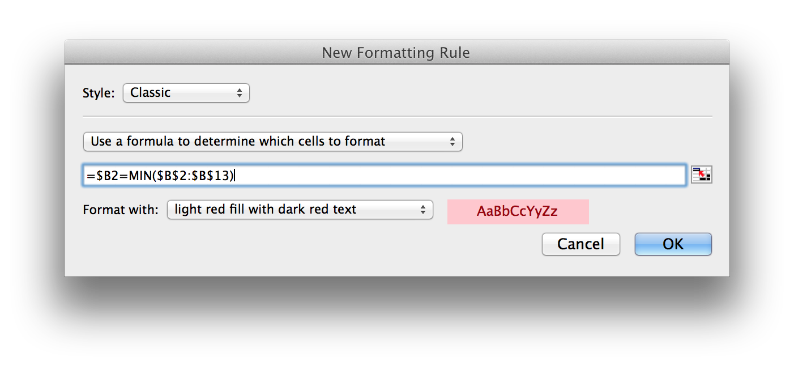

=RANDBETWEEN(41640,42004)

Conditional Formatting -> New Rule
Style: Classic
Use a formula to determine which cells to format
=$B2=MIN($B$2:$B$13)

